시트1
Project Name: | NextLevel Research Conference Management System
Test CaseID | T5.1
Test Case Description | Rate the reviews of my own papers
Created by: | Yechan Kim
Date of testing: | 10th November 2022
Actor: | Author
Pre-condition: | Logged in as Author.
 | Author has at least one paper submitted in the system.
 | The paper should already be reviewed by the reviewer.
 | Author clicks the rate review button.
 | Author view reviews of their own papers.

Test Step | Step Details | Test Data | Expected Results | Actual Results | Pass/Fail/Not executed/Suspended | Screenshots, if possible | Remarks
T5.1 - 1 | Author choose rate. |  | The selected detail should appear in the box. The user should be able to select rating for the paper review. | The selected detail appears in the box. | Pass | 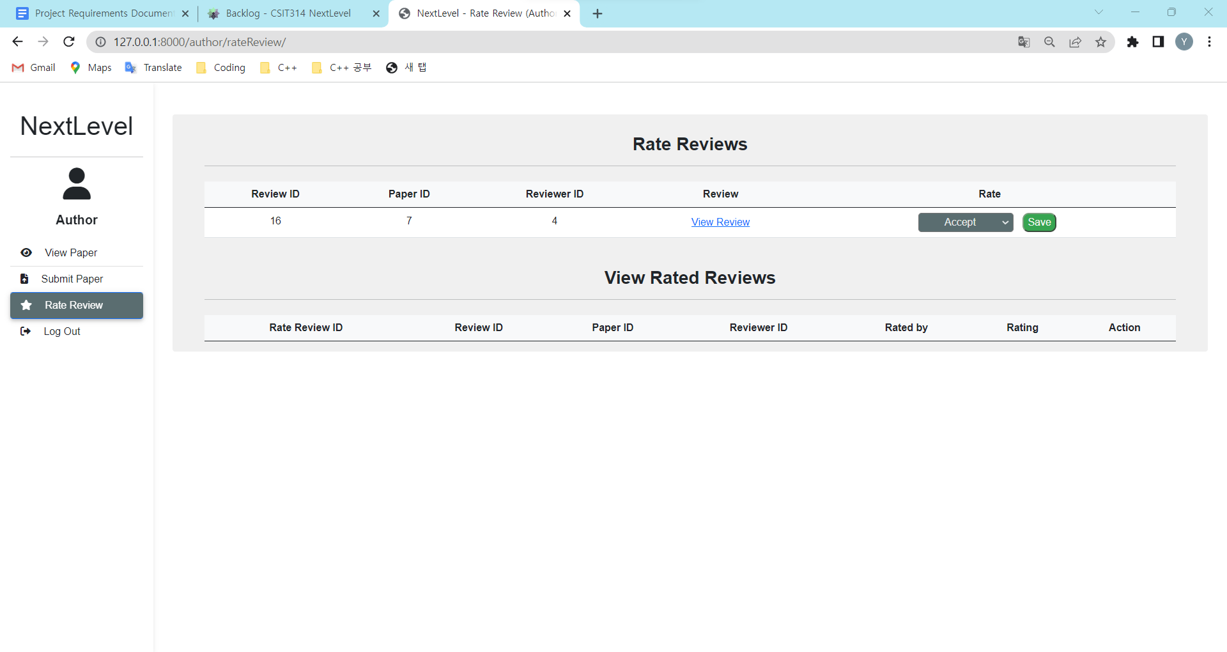
T5.1 - 2 | Author clicks "Save" button. |  | Systen will upload the details and move the paper from rate reviews table to view rated reviews table. The user should be able to see a list or paper reviews where the rated review is moved view rated reviews table. | Systen uploads the details and moves the paper from rate reviews table to view rated reviews table. | Pass | 